Sheet1

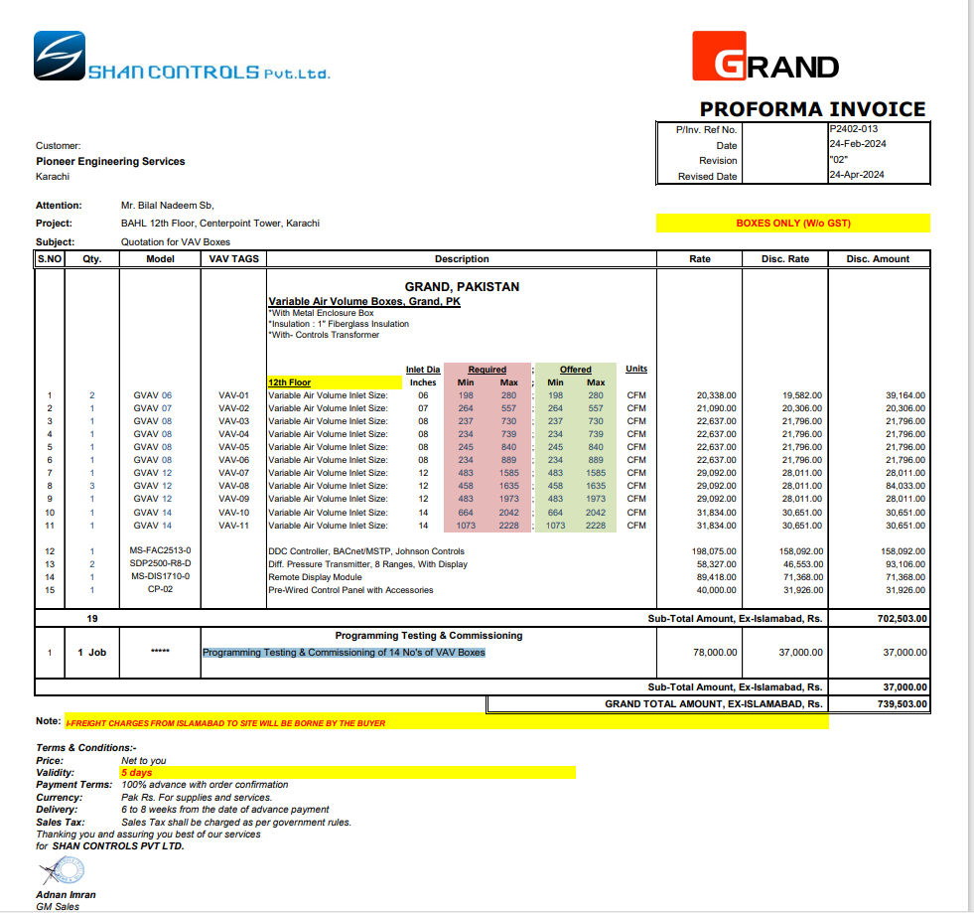

M/S Shan Controls |  |  |  |  |  | 25-Apr-24

Att: Mr. Imran

PURCHASE ORDER against quote Ref # P2402-013

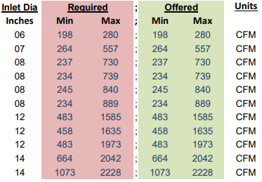
Supply of VAVs for Bank Al Habib 12th Floor Center Point Karachi
S No. | D e s c r i p t i o n | VAV Tag # | Qty | Unit | Rate | Amount
 | GRAND, PK Variable Air Volume Boxes, Grand, PK *With Metal Enclosure Box *Insulation : 1" Fiberglass Insulation *With- Controls Transformer
 | 12th Floor
1 | Variable Air Volume | VAV-01 | 2 | Nos | 19,582 | 39,164
2 | Variable Air Volume | VAV-02 | 1 | Nos | 20,306 | 20,306
3 | Variable Air Volume | VAV-03 | 1 | Nos | 21,796 | 21,796
4 | Variable Air Volume | VAV-04 | 1 | Nos | 21,796 | 21,796
5 | Variable Air Volume | VAV-05 | 1 | Nos | 21,796 | 21,796
6 | Variable Air Volume | VAV-06 | 1 | Nos | 21,796 | 21,796
7 | Variable Air Volume | VAV-07 | 1 | Nos | 28,011 | 28,011
8 | Variable Air Volume | VAV-08 | 3 | Nos | 28,011 | 84,033
9 | Variable Air Volume | VAV-09 | 1 | Nos | 28,011 | 28,011
10 | Variable Air Volume | VAV-10 | 1 | Nos | 30,651 | 30,651
11 | Variable Air Volume | VAV-11 | 1 | Nos | 30,651 | 30,651
 |  |  |  |  |  | -
12 | DDC Controller, BACnet/MSTP, Johnson Controls |  | 1 | Nos | 158,092 | 158,092
13 | Diff. Pressure Transmitter, 8 Ranges, With Display |  | 2 | Nos | 46,553 | 93,106
14 | Remote Display Module |  | 1 | Nos | 71,368 | 71,368
15 | Pre-Wired Control Panel with Accessories |  | 1 | Nos | 31,926 | 31,926
 |  |  | TOTAL: |  |  | 702,503
16 | Programming Testing & Commissioning of 14 No's of VAV Boxes |  | 1 | Job | 37,000 | 37,000
 |  |  | Grand TOTAL |  |  | 739,503

Note: Above PO is subject to approval from the consultant.

for PIONEER ENGINEERING SERVICES

